UBS
LF61 | Proposals | For | Against | Other | Total
Meetings | 2188 | 1803 | 337 | 48 | 2188
257
Election of Directors | 962 | 808 | 107 | 47 | 962
Incentives and Remuneration | 216 | 160 | 56 | 0 | 216
Reports | 0 | 0 | 0 | 0 | 0
Auditors | 168 | 158 | 10 | 0 | 168
Other | 842 | 677 | 164 | 1 | 842

Total | 2188 | 1803 | 337 | 48 | 2188

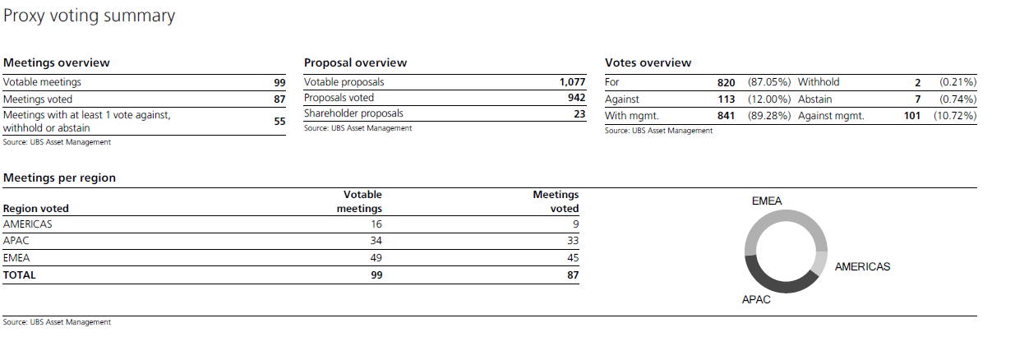

LF67 | Proposals | For | Against | Other | Total
Meetings | 942 | 820 | 113 | 9 | 942
99
Election of Directors | 474 | 450 | 15 | 9 | 474
Incentives and Remuneration | 111 | 90 | 21 | 0 | 111
Reports | 0 | 0 | 0 | 0 | 0
Auditors | 70 | 68 | 2 | 0 | 70
Other | 287 | 212 | 75 | 0 | 287
 |  |  |  | X
Total | 942 | 820 | 113 | 9 | 942

TOTAL (LF61+LF67) | Proposals | For | Against | Other | Total
Meetings | 3130 | 2623 | 450 | 57 | 3130
356
Election of Directors | 1436 | 1258 | 122 | 56 | 1436
Incentives and Remuneration | 327 | 250 | 77 | 0 | 327
Reports | 0 | 0 | 0 | 0 | 0
Auditors | 238 | 226 | 12 | 0 | 238
Other | 1129 | 889 | 239 | 1 | 1129

Total | 3130 | 2623 | 450 | 57 | 3130

 |  | 84% | 14% | 2%

