UBS
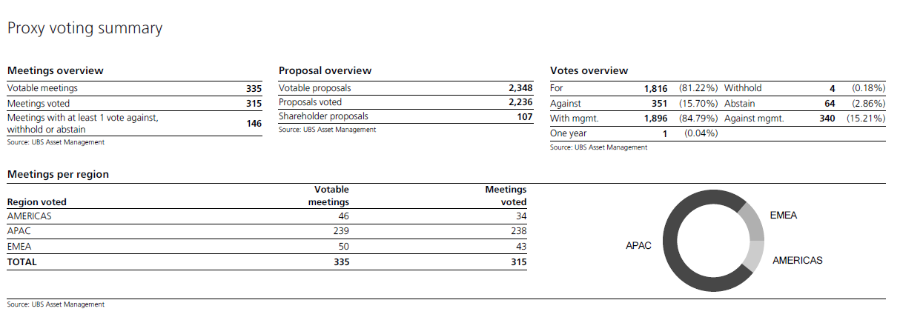

LF61 | Proposals | For | Against | Other | Total
Meetings | 2236 | 1816 | 351 | 69 | 2236
335
Election of Directors | 1033 | 860 | 107 | 66 | 1033
Incentives and Remuneration | 296 | 238 | 57 | 1 | 296
Reports | 0 | 0 | 0 | 0 | 0
Auditors | 78 | 74 | 4 | 0 | 78
Other | 829 | 644 | 183 | 2 | 829

Total | 2236 | 1816 | 351 | 69 | 2236

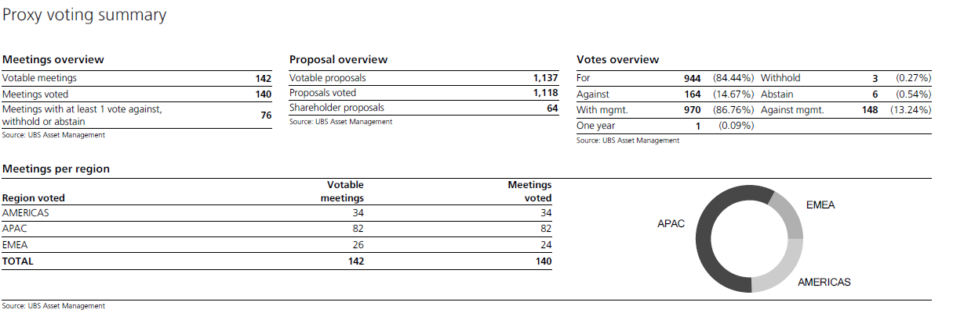

LF67 | Proposals | For | Against | Other | Total
Meetings | 1118 | 944 | 164 | 10 | 1118
142
Election of Directors | 635 | 563 | 63 | 9 | 635
Incentives and Remuneration | 235 | 178 | 56 | 1 | 235
Reports | 0 | 0 | 0 | 0 | 0
Auditors | 53 | 51 | 2 | 0 | 53
Other | 195 | 152 | 43 | 0 | 195

Total | 1118 | 944 | 164 | 10 | 1118

TOTAL (LF61+LF67) | Proposals | For | Against | Other | Total
Meetings | 3354 | 2760 | 515 | 79 | 3354
477
Election of Directors | 1668 | 1423 | 170 | 75 | 1668
Incentives and Remuneration | 531 | 416 | 113 | 2 | 531
Reports | 0 | 0 | 0 | 0 | 0
Auditors | 131 | 125 | 6 | 0 | 131
Other | 1024 | 796 | 226 | 2 | 1024

Total | 3354 | 2760 | 515 | 79 | 3354

 |  | 82% | 15% | 2%

