UBS
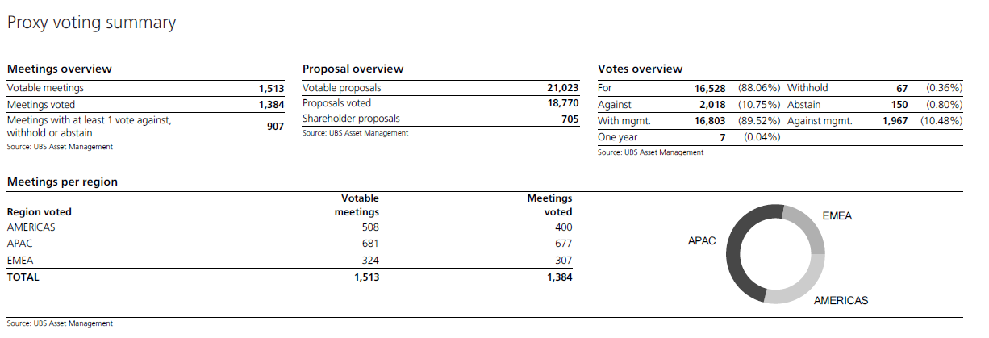

LF61 | Proposals | For | Against | Other | Total
Meetings | 18770 | 16528 | 2018 | 224 | 18770
1513
Election of Directors | 10454 | 9425 | 832 | 197 | 10454
Incentives and Remuneration | 1906 | 1465 | 434 | 7 | 1906
Reports | 0 | 0 | 0 | 0 | 0
Auditors | 983 | 949 | 33 | 1 | 983
Other | 5427 | 4689 | 719 | 19 | 5427

Total | 18770 | 16528 | 2018 | 224 | 18770

LF67 | Proposals | For | Against | Other | Total
Meetings | 12095 | 10573 | 1448 | 74 | 12095
904
Election of Directors | 7617 | 6934 | 624 | 59 | 7617
Incentives and Remuneration | 1427 | 1015 | 404 | 8 | 1427
Reports | 0 | 0 | 0 | 0 | 0
Auditors | 683 | 668 | 15 |  | 683
Other | 2368 | 1956 | 405 | 7 | 2368

Total | 12095 | 10573 | 1448 | 74 | 12095

TOTAL (LF61+LF67) | Proposals | For | Against | Other | Total
Meetings | 30865 | 27101 | 3466 | 298 | 30865
2417
Election of Directors | 18071 | 16359 | 1456 | 256 | 18071
Incentives and Remuneration | 3333 | 2480 | 838 | 15 | 3333
Reports | 0 | 0 | 0 | 0 | 0
Auditors | 1666 | 1617 | 48 | 1 | 1666
Other | 7795 | 6645 | 1124 | 26 | 7795

Total | 30865 | 27101 | 3466 | 298 | 30865

 |  | 88% | 11% | 1%

